CEV_Cluster0_EvalAll
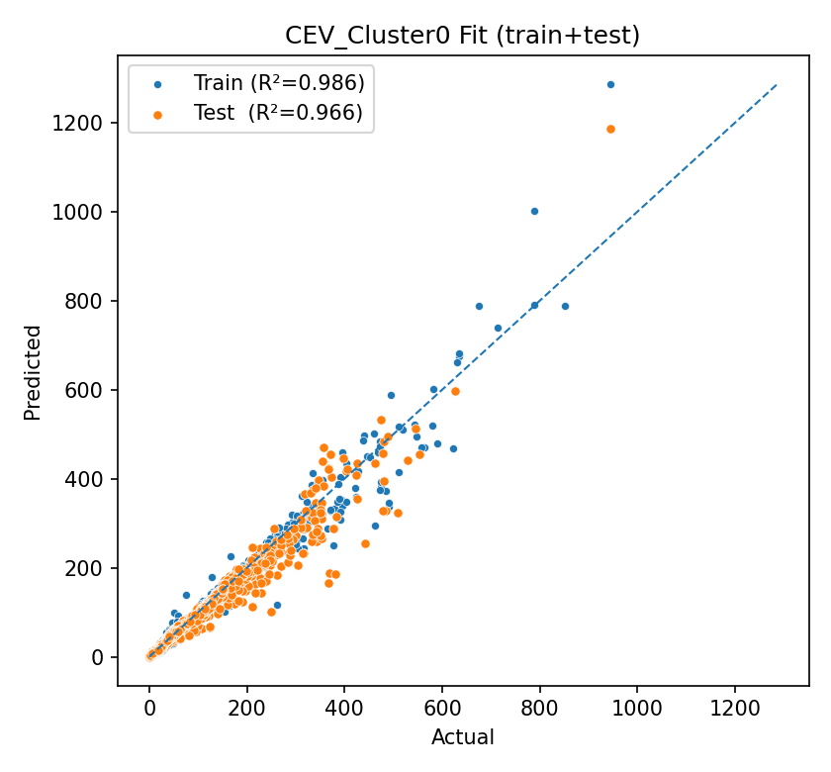
R2 | MSE | MAE | sMSE | NMSE | MAPE | model | Train_R2 | Test_R2
0.9655028751 | 175.10558022 | 3.6306347615 | 0.10484464162 | 0.00019608138655 | 4416480.3214 | BlendTop2(XGB+ANN_MLP) | 0.98560785865 | 0.9655028751
0.93744594182 | 317.52108861 | 4.9932474491 | 0.19011606998 | 0.00035555677457 | 6524098.5583 | XGB
0.92191465505 | 396.35707828 | 4.6112239113 | 0.2373191978 | 0.00044383648642 | 1679210.2114 | ANN_MLP
0.85936466656 | 713.85750939 | 9.2583122011 | 0.42742289907 | 0.00079937012893 | 17135360.108 | RF
0.66435313919 | 1703.7257012 | 26.272272266 | 1.0201074708 | 0.0019078141163 | 2675819.5434 | Stacking_RF+Linear
0.42588464453 | 2914.1791591 | 28.154104545 | 1.7448676917 | 0.003263267164 | 577666099.71 | Stacking_MLP+Ridge
-0.13242235476 | 5748.115939 | 35.621920533 | 3.4416901784 | 0.0064366797558 | 84617021.678 | SVM

CEV_Cluster1_EvalAll
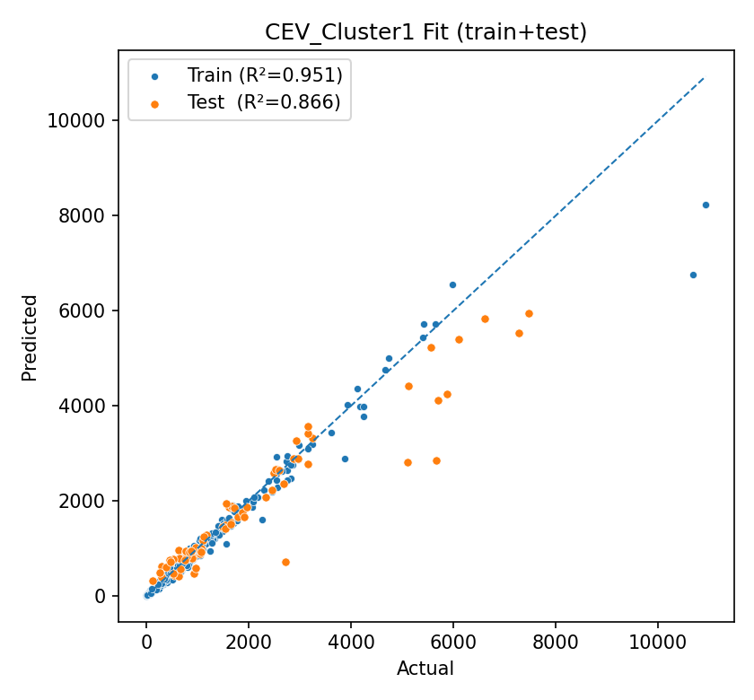
R2 | MSE | MAE | sMSE | NMSE | MAPE | model | Train_R2 | Test_R2
0.86591244603 | 445186.39737 | 367.39773593 | 0.30387627114 | 0.0082362759574 | 0.22153751195 | XGB | 0.95071663029 | 0.86591244603
0.78168874469 | 724818.9588 | 520.06888454 | 0.49474845538 | 0.013409684121 | 0.26829580096 | ANN_MLP
0.58226068682 | 1386943.4885 | 1020.6022011 | 0.94670281499 | 0.025659475169 | 0.80380096973 | Stacking_RF+Linear
0.5563278506 | 1473043.5447 | 701.44073924 | 1.0054731731 | 0.027252389569 | 0.28261765556 | RF
0.50516875187 | 1642897.7495 | 926.10619081 | 1.1214126149 | 0.030394817351 | 0.57498611343 | SVM
-0.44527846448 | 4798493.9224 | 1388.0676782 | 3.2753661138 | 0.088775668706 | 0.6411056916 | Stacking_MLP+Ridge

CEV_Cluster2_EvalAll
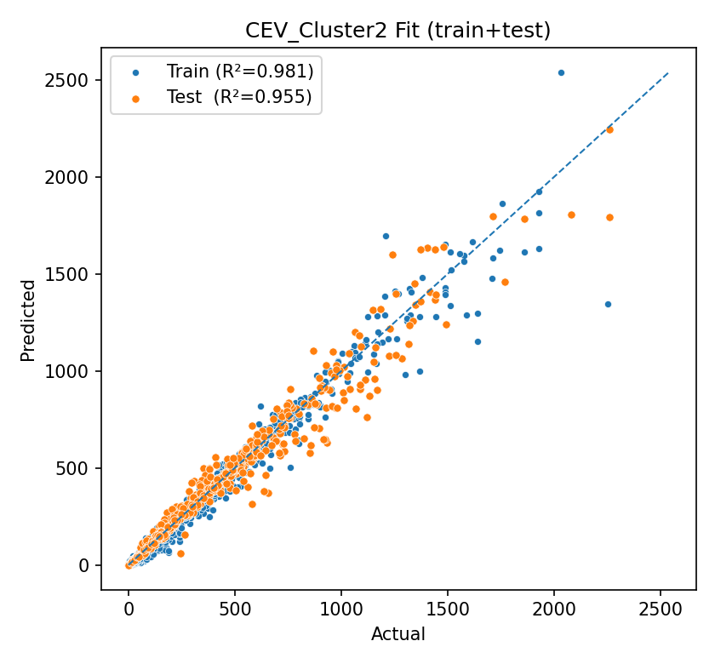
R2 | MSE | MAE | sMSE | NMSE | MAPE | model | Train_R2 | Test_R2
0.95464610371 | 6351.5201527 | 44.6167773 | 0.10643878391 | 0.0012424432349 | 2823498.7446 | XGB | 0.98051471807 | 0.95464610371
0.79131523936 | 29224.952453 | 136.7161932 | 0.48975179551 | 0.0057167959156 | 0.42652715403 | Stacking_RF+Linear
0.71148995978 | 40403.967122 | 112.12235591 | 0.67708973952 | 0.0079035623613 | 10734038.088 | RF
-0.24388189523 | 174197.62293 | 304.86455069 | 2.9192040172 | 0.03407541076 | 2439998635.3 | Stacking_MLP+Ridge
-0.55333824019 | 217534.9847 | 124.36494651 | 3.6454515885 | 0.042552784783 | 71908195.383 | ANN_MLP
-0.71156192877 | 239693.19003 | 333.41599333 | 4.0167788255 | 0.046887229396 | 231595288.35 | SVM

